HPP_menu
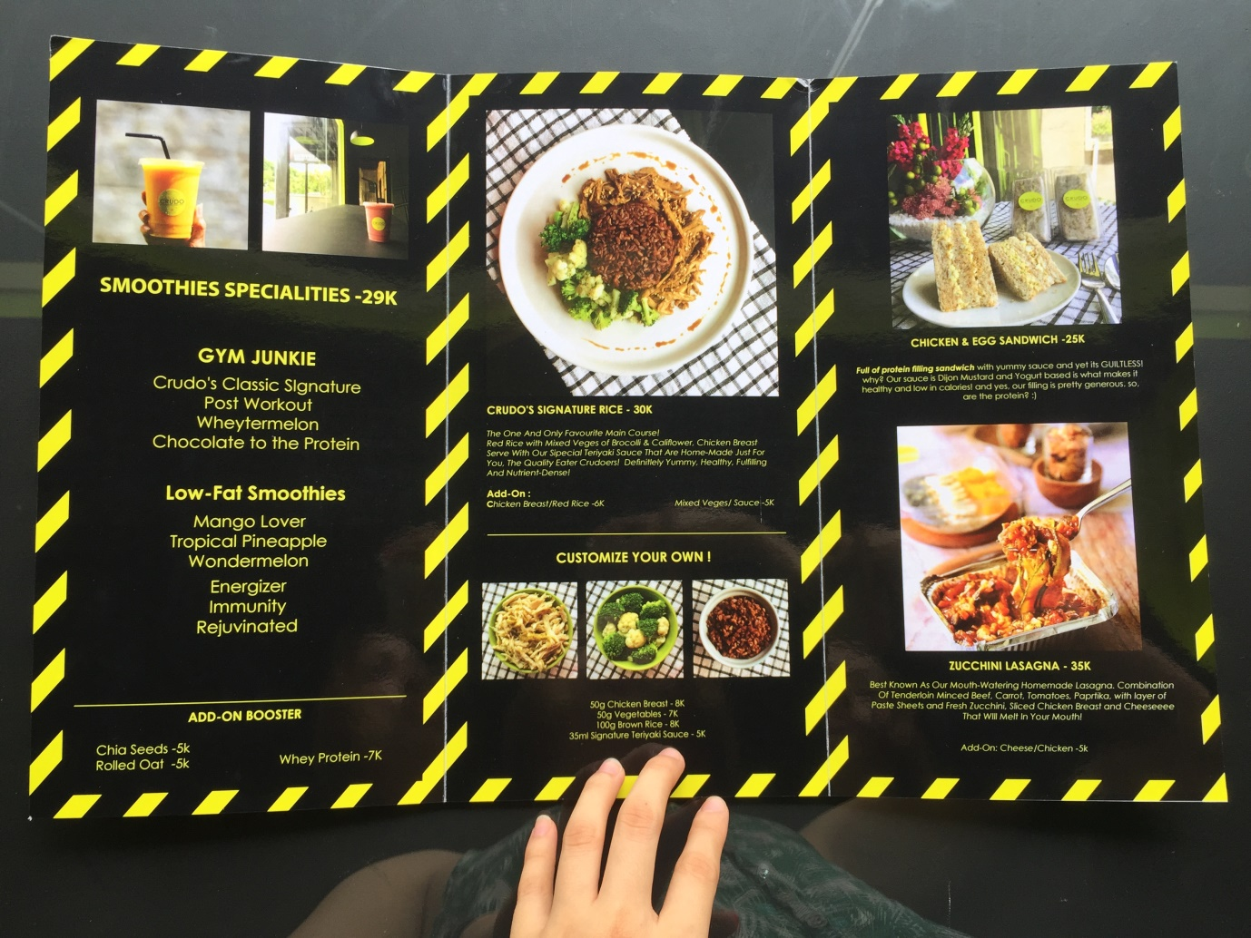
FOOD MENU |  |  |  |  |  |  |  |  |  |  |  | FOOD MENU

Black Beans Brownies for : | 9 | Serving | Carrot Cake for : | 10 | Serving | Banana Bread for : | 12 | Serving | Chia Pudding for : | 2 | Serving | Chia Pudding | 5,000 | 25K
334g Black Beans | 13,760 |  | 3 cup Carrot | 11,000 |  | 75ml Coconut Oil | 7,200 |  | 24g Chia Seeds | 6,000 |  | Red Rice with Chicken & Mixed Vege | 9,000 | 30K
204g Raisins | 9,792 |  | 4 Eggs | 8,000 |  | 125g Yogurt | 7,000 |  | 230ml Milk | 4,000 |  | Zucchini Lasagna | 18,875 | 35K
2 Egg | 4,000 |  | 480g flour | 5,000 |  | 1tsbp Vanilla Extract | 200 |  | HPP /serving | 5,000 |  | Chicken & Egg Sandwiches | 5,575 | 25K
246g Coconut Oil | 2,583 |  | 1 tsp Baking Powder & Baking Soda | 400 |  | 4 Banana | 26,000 |  |  |  |  | Overnight Oat | 5,850 | 25K
37.5g Cocoa Powder | 7,291 |  | 1 tsp Salt & Cinnamon | 400 |  | 2 Eggs | 4,000 |  | Boiled Egg | 1 | Serving
10ml Vanilla Extract | 400 |  | 90g Sweetener | 10,000 |  | 250g Flour | 2,750 |  | Egg | 2,000 |  | BEVERAGES & SMOOTHIES MENU | 25K
3g Salt | 216 |  | 1 tsp Vanilla Extract | 200 |  | 1 tsp Baking Powder | 200 |  | HPP /serving | 2,000
HPP /serving | 4,227 |  | 1 cup Oil | 5,100 |  | 1 tbsp Chia Seeds | 2,000 |  |  |  |  | Hot Chocolate | 4,550
 |  |  | 200g Coconut Sugar | 8,000 |  | 1 Apple | 3,000 |  | Red Rice with Chicken & Mixed Vege | 1 | Serving
 |  |  | HPP /serving | 4,810 |  | 10g Whole Almond | 2,000 |  | 100g Red Rice | 1500 |  | GYM JUNKIE | 29K
 |  |  |  |  |  | 136g Raisins | 3,000 |  | 30g Broccoli & Cauliflowers | 2000
 |  |  |  |  |  | HPP /serving | 4,779 |  | 100g Chicken Breast | 4700 |  | Crudo's Classic Signature | 14,100
 |  |  |  |  |  |  |  |  | 30ml Teriyaki Sauce | 800 |  | Post-Workout | 12,100
Zucchini Lasagna | 8 | Serving | Chicken & Egg Sandwiches | 8 | Serving | Tuna Sandwich | 1 | Serving | HPP /serving | 9,000 |  | Choc to the Protein | 12,600
Zucchini | 10,000 |  | Boiled Egg (appx. 200g) | 9,600 |  | Mashed Boiled Egg | 1,000 |  |  |  |  | Wheytermelon | 6,600
3 kg Tomato, Diced | 36,000 |  | Chicken (appx. 1 medium) | 14,000 |  | Tuna | 3,000
1 Medium Paprika | 8,000 |  | Bread (2) | 2,500 |  | Bread | 2,500 |  |  |  |  | LOW FAT SMOOTIHES
Pasta Sheets | 10,000 |  | 40g Mustard | 6,500 |  | HPP /serving | 6,500
Beef, Minced | 54,000 |  | 100g Plain Yogurt | 7,000 |  |  |  |  |  |  |  | Mango Lover | 11,200
Tomato Paste | 11,000 |  | ACV & Kikkoman | 1,000 |  | Overnight Oat | 4 | Serving |  |  |  | Wondermelon | 8,000
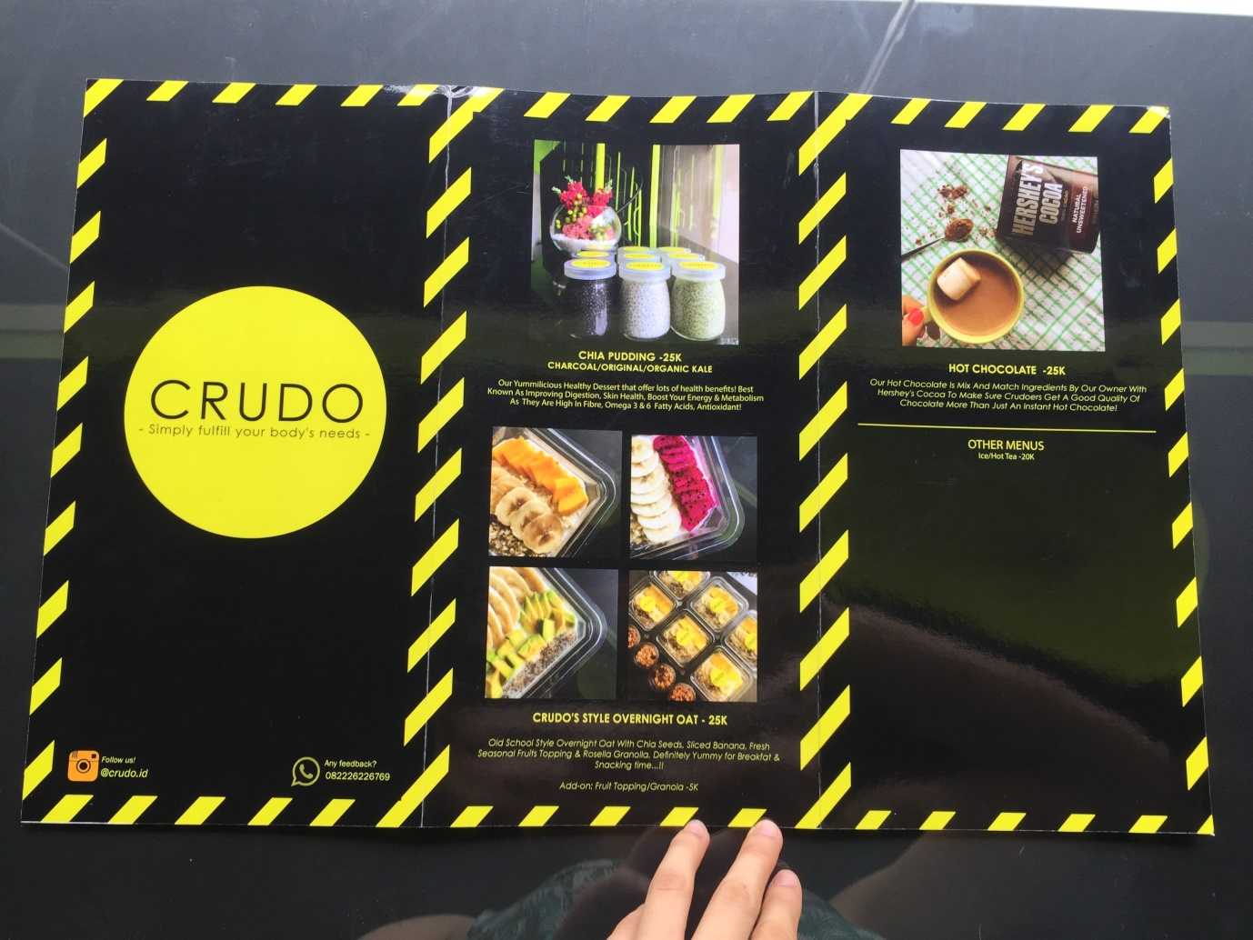
Chicken | 13,000 |  | Garlic Powder | 2,000 |  | 200g Rolled Oat | 6,600 |  |  |  |  | Tropical Pineapple | 8,000
Cheese | 9,000 |  | S&P | 2,000 |  | 600 ml Milk | 10,800 |  |  |  |  | Immunity | 8,000
HPP /serving | 18,875 |  | HPP /serving | 5,575 |  | 8g Chia Seeds | 2,000 |  |  |  |  | Energizer | 10,500
 |  |  |  |  |  | Fruits Topping | 4,000 |  |  |  |  | Rejuvenated | 11,000
 |  |  |  |  |  | HPP /serving | 5,850
BEVERAGES & SMOOTHIES MENU

Honey Lemon Tea (300ml) | 1 | Serving | Hot Chocolate | 1 | Serving
Honey | 1,000 |  | 8gr Cocoa Powder | 3,100
2 tsp Lemon | 1,000 |  | 50ml Milk | 750
Tea | 1,000 |  | 100ml Water | 100
HPP /serving | 3,000 |  | Packaging | 600
 |  |  | HPP /serving | 4,550

GYM JUNKIE

Classic Signature | 1 | Serving | Post-Workout | 1 | Serving | Choc to the Protein | 1 | Serving | Wheytermelon | 1 | Serving
1 1/2 Banana | 4,000 |  | Cinnamon Powder | 200 |  | 18g Protein Powder (1/2 scoop) | 4,600 |  | Watermelon | 2000
70g Yogurt | 5,000 |  | 35g Peanut Butter (1.5 tbsp) | 2,200 |  | 200ml Chocolate Milk | 4,000 |  | Protein Powder | 4600
150ml Milk | 3,200 |  | 1 ½ Banana | 4,000 |  | 1.5 Banana | 4,000 |  | HPP /serving | 6,600
Packaging (1400) + Straw (500) | 1,900 |  | 35g Yogurt | 2,500 |  | HPP /serving | 12,600
HPP /serving | 14,100 |  | 150ml Milk | 3,200
 |  |  | HPP /serving | 12,100

LOW FAT SMOOTIHES

Mango Lover | 1 | Serving | Wondermelon | 1 | Serving | Tropical Pineapple | 1 | Serving
180 gr Mango | 6,000 |  | 3 Strawberries | 3,000 |  | 1 Pineapple | 3,000
½ Banana | 1,000 |  | 250g Watermelon | 2,000 |  | ½ Banana | 1,000
150ml Milk | 3,200 |  | 1 Banana | 2,000 |  | 1 Sweetener | 2,000
100ml Water | 1,000 |  | 100ml Water | 1,000 |  | ½ Orange | 1,000
HPP /serving | 11,200 |  | HPP /serving | 8,000 |  | 100ml Water | 1,000
 |  |  |  |  |  | HPP /serving | 8,000
SUPER JUICE

Immunity | 1 | Serving | Energizer | 1 | Serving | Rejuvenated | 1 | Serving
250g Watermelon | 2,000 |  | 2 Oranges | 2000 |  | 1 Pineapple | 3,000
1 Orange | 2,000 |  | 3 Strawberries | 3000 |  | 2 Oranges | 4,000
3 Strawberries | 3,000 |  | 1 ½ Banana | 4000 |  | 100ml Water | 2,000
100ml Water | 1,000 |  | 100ml Water | 1500 |  | 1 tsp Chia Seeds | 2,000
HPP /serving | 8,000 |  | HPP /serving | 10,500 |  | HPP /serving | 11,000

Lean Green Tea | 1 | Serving | Detoxer | 1 | Serving
10g Green Tea Protein Powder | 8,000 |  | Green Apple | 4000
Mixed Berry | 2,800 |  | Spinach | 1000
240ml Milk | 4,500 |  | Pineapple | 1000
HPP /serving | 15,300 |  | HPP /serving | 6,000

